Sheet1
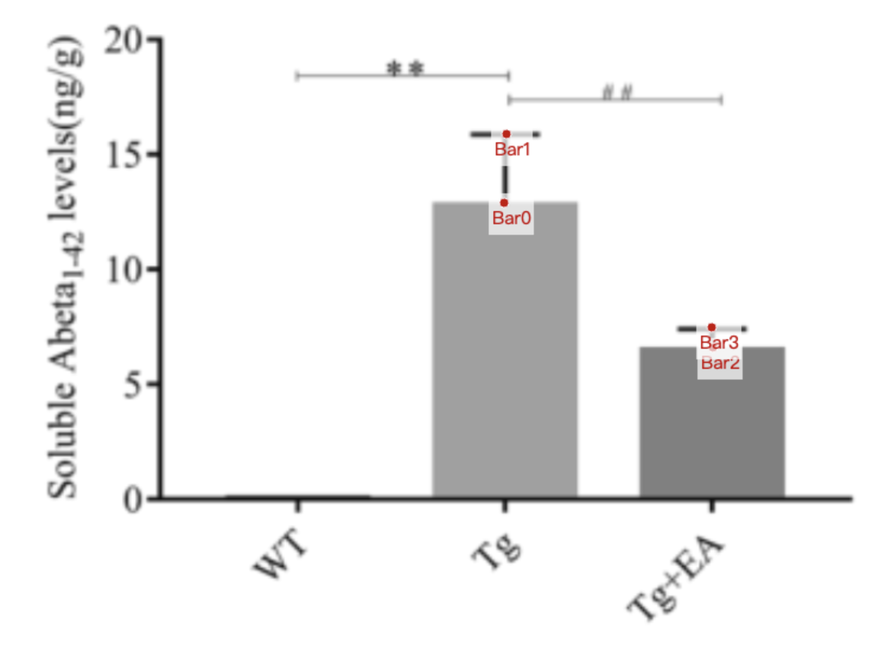
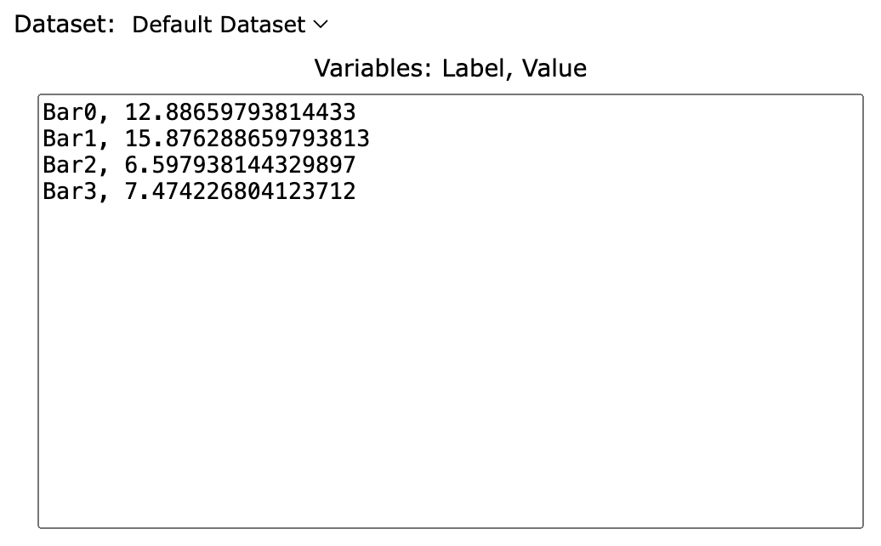
Treatment Groups | Tg_Ab_protein | Tg+EA_Ab_protein
mean | 12.886597938 | 6.5979381443
sd | 2.989690722 | 0.8762886598
mean+sd | 15.87628866 | 7.4742268041

